IRP Background
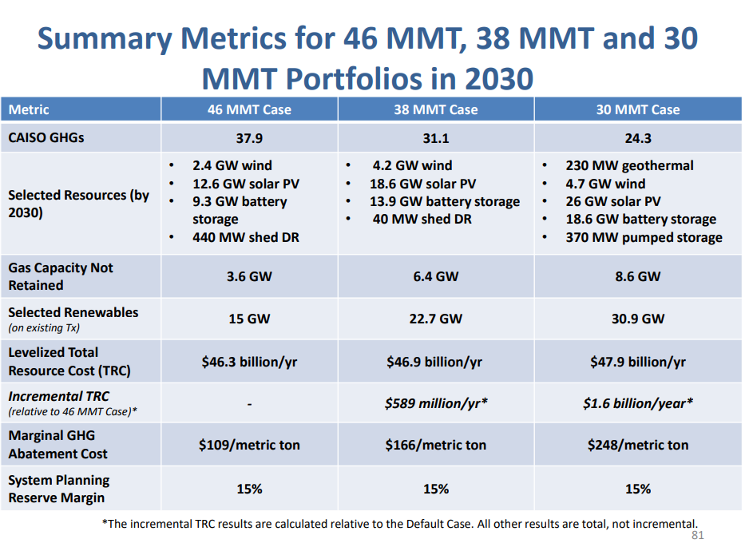
Peaker plant
Natural gas (and petroleum) peaker plants provide an existing source of flexibility.
Each MW of natural gas peaker capacity is defined as providing one flexibility point, and other sources defined in relation to this value.

 | Flexibility points provided
Peaker plant (natural gas / petroleum) | 1

Battery storage
Curtailment of solar PV provides another source of flexibility, supply flexibility, the ability to suspend in instances of overgeneration.
However, the model separately calculates this provision of flexibility -- by curtailable solar PV.
This effect is captured and calculated implicitly by the curtailment calculation.

With the plunging cost of battery storage, new optimization results show battery storge playing a dominant role in ensuring
resource adequacy.

This following slide showcases how, in the BAU scenario (46 MMT limit for the sector, statewide), battery storage is the primary flexibility solution
selected by the optimization model RESOLVE. It states:
"shortfall met with predominantly new battery storage and solar resources" (emphasis added)

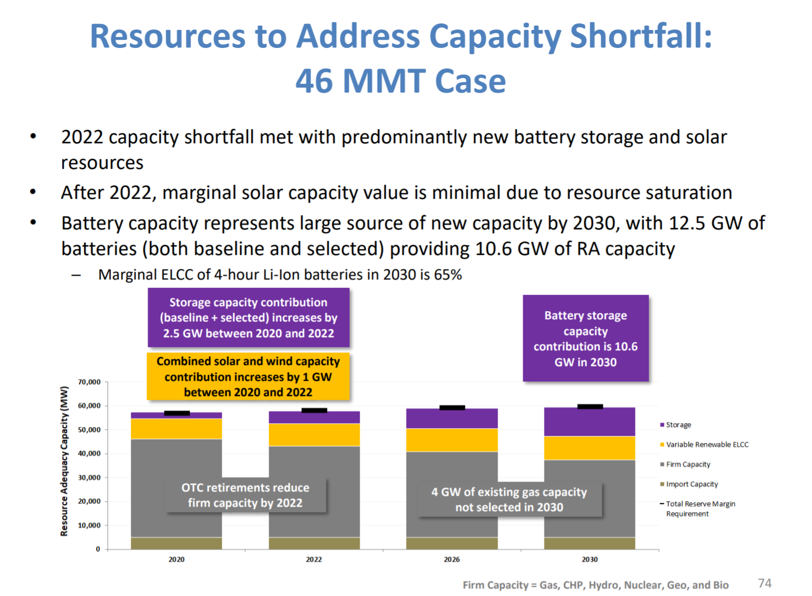

The preceding slide refers to the "ELCC" of batteries. This refers to the fact that additional battery storage contributes to
flexibility/resource adequacy differently depending on the system context.

The EPS model structure does not currently allow for varying flexibility point provision. Battery storage is treated as equivalent, for flexibility.

 | Flexbility points provided
Battery storage | 1

The curtailment equation is parameterized such that the Energy Innovation scenario produces the "proper"
(proper in the sense of reflecting the latest IRP modeling) curtailment as a function of additional storage.

The overall resource adequacy requirement is handled by in effect imported the reliability requirements indicated by RESOLVE.
See the BAU Grid Battery Storage folder (BGrBSC) for more about storage

Pumped hydro
Pumped hydro provide system flexibility.
However, two factors lead to its value being defined as zero for this exercise.

1) Pumped hydro is not selected as part of the optimal mix in the IRP modeling.
2) The EPS does not allow users to add pumped hydro capacity.

 | Flexibility points
Pumped hydro | 0

The next slide introduces the concept of the variable value of storage, and following excerpts provide more key
background information.

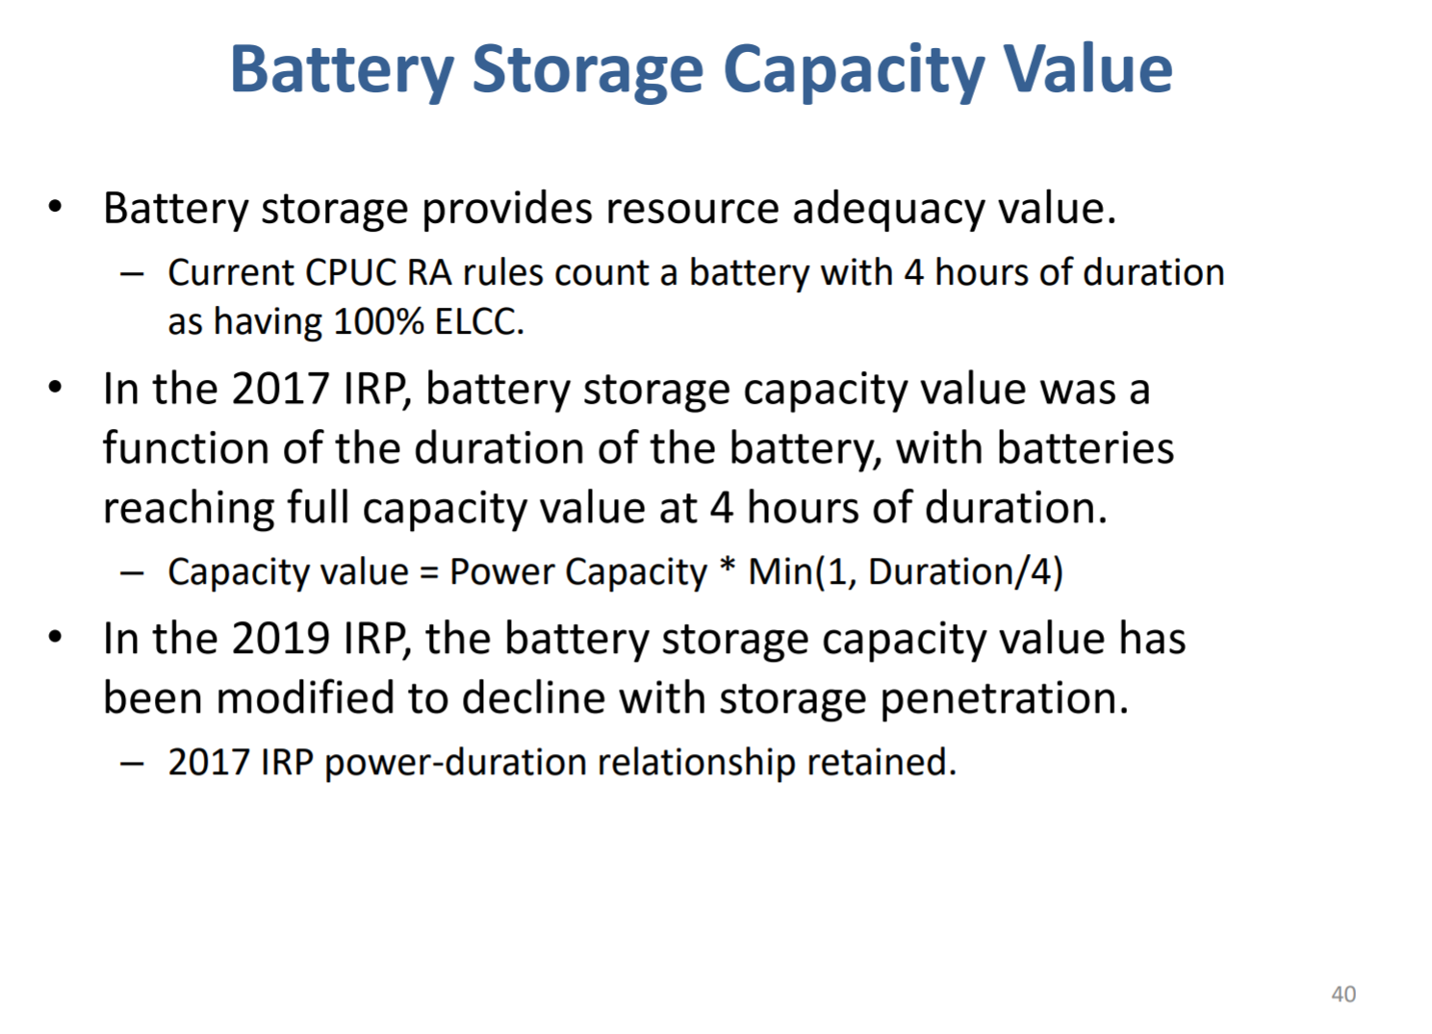

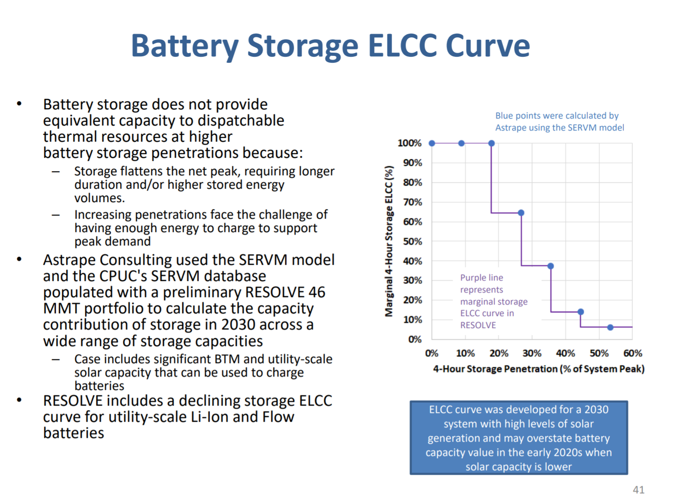

Per the following slide:
"Batteries + solar is an untested reliability paradigm and the combined capacity contribution of these resources has significant uncertainty."

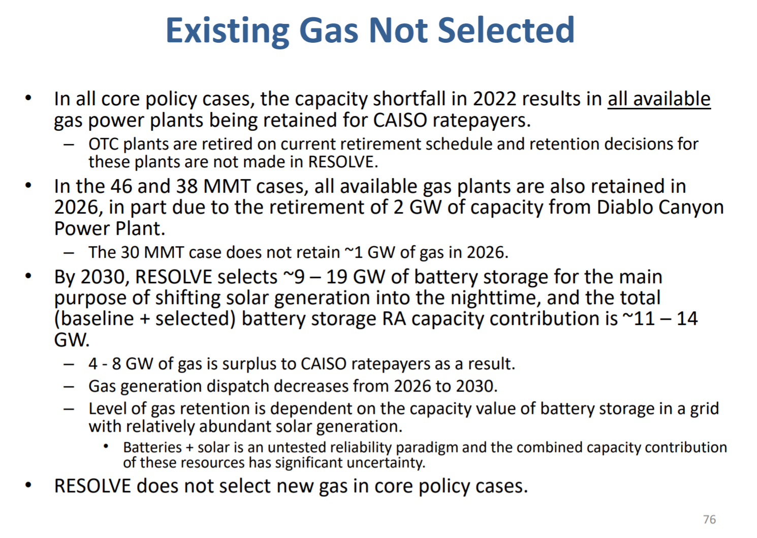

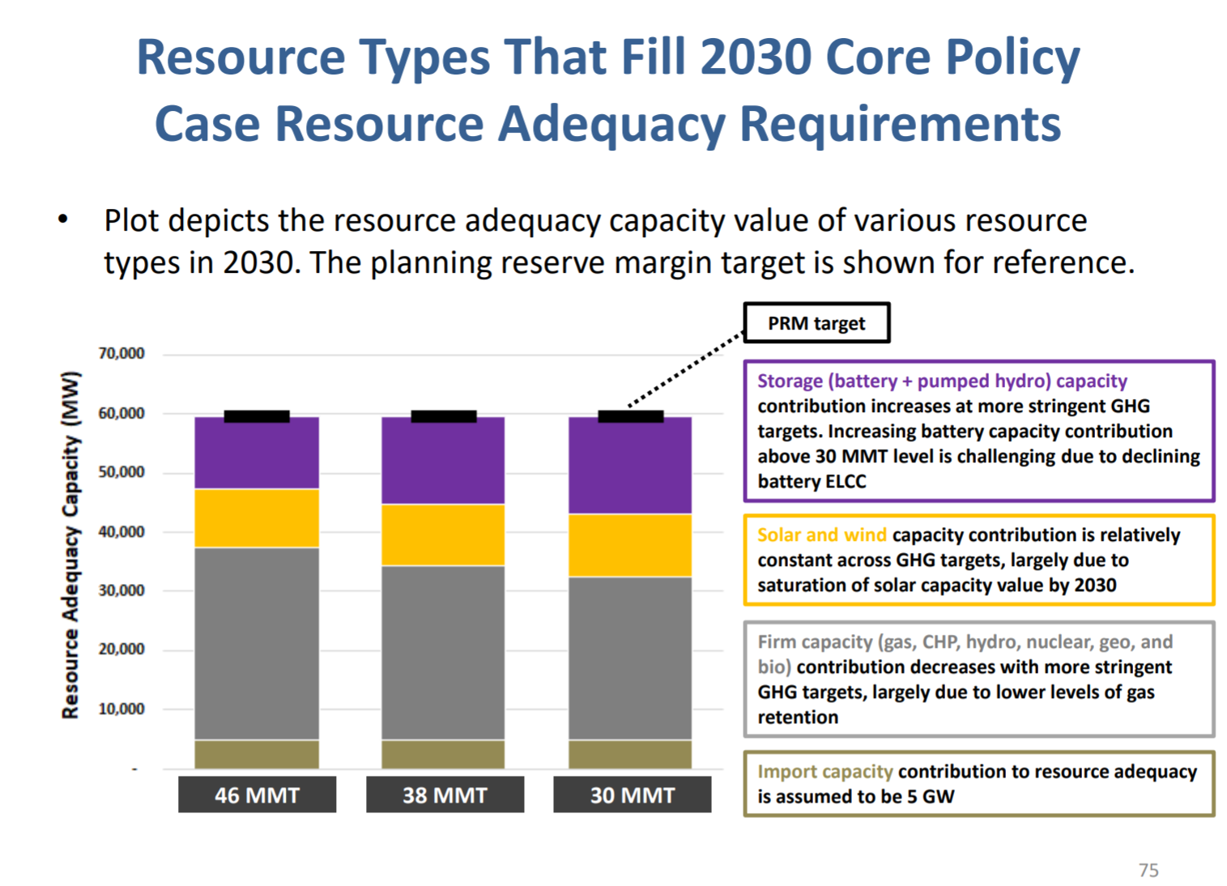

2030 solar added at 38 MMT GHG limit.
Short cut method to calculating additional solar in 38 MMT case

Treat solar PV rooftop and distributed storage as behind the meter. Focus on system renewables.

additional solar in 38 MMT case |  | 6000 | MW of capacity added

Curtailment Calculations
Flexibility points consumed
 | 2020 | 2022 | 2026 | 2030 | 2030
 | 46 MMT case | 46 MMT case | 46 MMT case | 46 MMT case | 38 MMT case
 | 2020 solar | 2022 solar | 2026 solar | 2030 solar | 2030 solar at 38 MMT
MW of utility scale solar | 1.98E+04 | 3.22E+04 | 3.29E+04 | 3.53E+04 | 4.13E+04
 | 1.88E+04 | 2.30E+04 | 3.12E+04 | 3.95E+04 | 3.95E+04
sum of solar (consuming flexibilty points) | 3.87E+04 | 5.51E+04 | 6.41E+04 | 7.48E+04 | 8.08E+04

Flexibility points available
Storage | 1995.0084789 | 5728.8131961 | 10031.88263 | 12398.295398 | 15992.075398
Peakers | 20387.92 | 20660.92 | 21238.92 | 17791.1 | 17791.1
Demand Response | #REF! | #REF! | #REF! | #REF! | #REF!
Sum of flexibility points available | #REF! | #REF! | #REF! | #REF! | #REF!

Ratio of flexibility consumed over flexibility points available | #REF! | #REF! | #REF! | #REF! | #REF!

Curtailment

Curtailment (MWh) | 4.63E+05 | 7.70E+06 | 4.55E+06 | 5.55E+06 | 6.97E+06
% | 0.57% | 6.76% | 3.90% | 4.66% | 5.09%

Plot

Ratio | #REF! | #REF! | #REF! | #REF! | #REF!
Curtailment Rate | 0.57% | 6.76% | 3.90% | 4.66% | 5.09%
 | Curtailment Rate
0.00 | 0.57%
0.00 | 6.76%
0.00 | 3.90%
0.00 | 4.66%
0.00 | 5.09%

Demand Response
 | Flexibility Points provided
Demand Response - Shift or Shed | 0.72463768116
1)
Whereas there is an efficiency loss associated with battery storage, demand response - shift efficiency is assumed to entail no efficiency penalty, for reasons outlined below.
2)
The units for DR are adjusted as below.

1) Efficiency

"It is also assumed that there is no efficiency loss (emphasis added) penalty incurred by shifting loads to other times of the day."

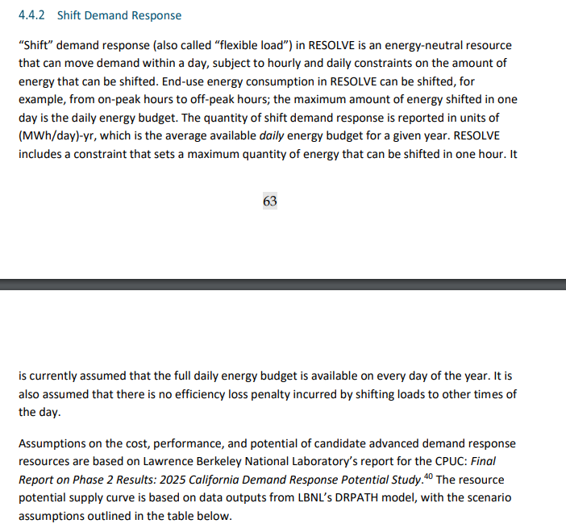

scalar | 1.38

